Sheet1
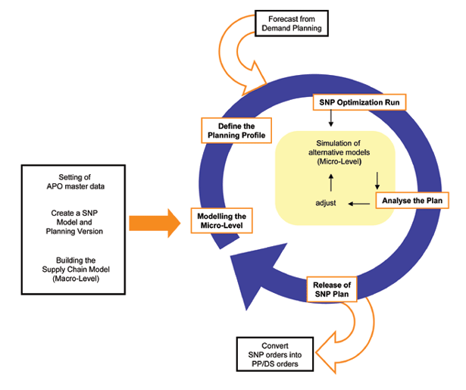
Transport Quantities/Dates from Deployment

Define Windows for Pickup/Delivery
Define Optimization Profile

Interactive Vehicle Scheduling
Setting APO Master Data
Building TP/VS Model

Analyse Results

Accept Planned Shipments

Compensation Factor to Deployment

Sheet1 (2)
Setting APO Master Data
Building TP/VS Model
Compensation Factor to Deployment
Transport Quantities/Dates from Deployment
Define Optimization Profile
Accept Planned Shipments
Interactive Vehicle Scheduling
Define Windows for Pickup/Delivery
Analyse Results

